1. Title Page
[Project Name]

Project Name: Instacart Basket Analysis
Date: April 2024
Analyst Name: Daniella Richt

Contents:
Population Flow
Consistency checks
Wrangling steps
Column derivations
Visualizations
Recommendations

Data Citation: | “The Instacart Online Grocery Shopping Dataset 2017”, Accessed from www.instacart.com/datasets/grocery-shopping-2017 via Kaggle on February 2024.
 | *PII Customer data as well as the “prices” column in the products data set, were both fabricated for the purpose of this course

2. Population Flow
Title page

Population flow

Exclusion flag
Condition: max_order < 5
Obervations to be removed:
Final total count of order_products_all: 32,404,859

Orders_products_combined
Orders_products_merged
Orders_products_all

Total: 32,404,859
Total: 32,434,489
Total: 32,404,859

1.) The grey boxes in the first row of the population flow represent the original data sets as they were when you downloaded them. In the Total fields you need to add the count of the rows when you imported the data set into Jupyter.
2.) The second row of boxes (coloured) represents the data sets after you manipulated them, e.g., removed missing values and duplicates. In the Total fields you need to add the count of the rows after conducting these operations. This offers a visual oveview of how the data flows throughout the data consistency checks.
3.) The third row, where also the arrows are coloured, represents the merges you performed between the datasets. In the Total fields you need to add the count of the rows in the merged datasets, so that you end up with the final dataset (in the red box). Keep in mind the final dataset should be without exclusions (based on the exclusion flag).

3. Consistency checks
 |  |  |  | Title page
Consistency checks

Dataset | Missing values | Missing values treatment | Duplicates
orders | Column: 'days_since_prior_order' - 206,209 | No action was taken in this case, as it was the very first order, it was concluded that this cell will remain empty until they make second order. It also wouldn't be wise to delete or impute values as this could lead to the incorrect analysis.

products | Column: 'product_name' - 16 | Removed missing values. Tthey are less than 5% and will therefore not impact analysis. | 5 duplicates deleted

orders_products_prior | None found

customers | Column: 'first_name' - 11259 | No action taken because the fiirst name & second name shouldn't be included in the dataset due to PII.

4. Wrangling steps
 |  |  |  | Title page
Wrangling steps

Columns dropped | Columns renamed | Columns' type changed | Comment/Reason
Orders - 'eval_set' 4.4 |  |  | Not needed for analysis. It has one value—prior, indicating this was the prior data set released by Instacart
 | 'Orders - 'orders_dow' 4.4 |  | It's not the most self-explanatory, especially for other stakeholders that might need access to the data. Changed to orders_day_of_week.
 |  | Orders - 'order_id' 4.4 | Changed from integer to string as there would never be a need to calculate statistics for the 'order_id'.
 |  | Orders - 'user_id' 4.4 | Changed from integer to string as there would never be a need to calculate statistics for the 'user_id'.
 | Customers - 'Surnam' 4.9 |  | Changed to to 'Last_Name'
 | Customers - 'fam_status' 4.9 |  | Changed to 'family_status'
 | Customers - 'n_dependants' 4.9 |  | Changed to 'dependants'
 | Customers - 'STATE' 4.9 |  | Changed to 'State'

5. Column derivations
 |  |  |  | Title page

Column derivations and aggregations

In this tab you should add tables below that the frequences of flags/label variables that you produced after deriving them. NB: don't do this for continuous variables, only for flags.
Dataset | New column | Column/s it was derived from | Conditions
df_ords_prods_merge | price_range_loc | prices | df.loc[df['prices'] > 15, 'price_range_loc'] = 'High-range product' df.loc[(df['prices'] <= 15) & (df['prices'] > 5), 'price_range_loc'] = 'Mid-range product' df.loc[df['prices'] <= 5, 'price_range_loc'] = 'Low-range product'
df_ords_prods_merge | busiest_day | orders_day_of_week | result = [] for value in df_ords_prods_merge["orders_day_of_week"]: if value == 0: result.append("Busiest day") elif value == 4: result.append("Least busy") else: result.append("Regularly busy")
df_ords_prods_merge | busiest_day | orders_day_of_week | for value in ords_prods_merge["orders_day_of_week"]: if value == 0 or value == 1: result_2.append("Busiest days") elif value == 3 or value == 4: result_2.append("slowest_days") else: result_2.append("Regularly busy")
df_ords_prods_merge | busiest_period_of_day | orders_day_of_week | result_3 = [] for value in df_ords_prods_merge["order_hour_of_day"]: if value in [10, 11, 14, 15, 13, 12, 16, 9]: result_3.append("Most orders") elif value in [23, 6, 0, 1, 5, 2, 4, 3]: result_3.append("Fewest orders") else: result_3.append("Average orders")
df_ords_prods_merge | max_order | user_id & order_number | ords_prods_merge['max_order'] = ords_prods_merge.groupby(['user_id'])['order_number'].transform(np.max)
df_ords_prods_merge | Loyalty_flag | user_id & max_order | ords_prods_merge.loc[ords_prods_merge['max_order']>40,'loyalty_flag']='Loyal customer' ords_prods_merge.loc[(ords_prods_merge['max_order']<=40) & (ords_prods_merge['max_order']>10),'loyalty_flag']='Regular customer' ords_prods_merge.loc[ords_prods_merge['max_order']<=10,'loyalty_flag']='New customer'
df_ords_prods_merge | avergage_spend | user_id & prices | ords_prods_merge['average_spend'] = ords_prods_merge.groupby(['user_id'])['prices'].transform(np.mean)
df_ords_prods_merge | spender_flag | average_spend | ords_prods_merge.loc[ords_prods_merge['average_spend']<10,'spender_flag']='Low_spender' ords_prods_merge.loc[ords_prods_merge['average_spend']>= 10, 'spender_flag'] = 'High_spender'
df_ords_prods_merge | Customer_frequency | user_id & days_since_prior_order | ords_prods_merge['Customer_frequency'] = ords_prods_merge.groupby(['user_id'])['days_since_prior_order'].transform(np.median)
df_ords_prods_merge | frequency_flag | Customer_frequency | ords_prods_merge.loc[ords_prods_merge['Customer_frequency'] > 20, 'frequency_flag'] = 'Non_frequent_customer' ords_prods_merge.loc[(ords_prods_merge['Customer_frequency']>10) & (ords_prods_merge['Customer_frequency']<=20),'frequency_flag'] = 'Regular customer' ords_prods_merge.loc[ords_prods_merge['Customer_frequency'] <= 10, 'frequency_flag'] = 'Frequent Customer'
df_ords_prods_cust | Regions | State | Northeast = ['Maine','New Hampshire','Vermont','Massachusetts','Rhode Island','Connecticut','New York','Pennsylvania','New Jersey'] df_ords_prods_cust.loc[df_ords_prods_cust['State'].isin(Northeast),'regions']= 'Northeast' Midwest = ['Wisconsin','Michigan','Illinois','Indiana','Ohio','North Dakota','South Dakota','Nebraska','Kansas','Minnesota','Iowa','Missouri'] df_ords_prods_cust.loc[df_ords_prods_cust['State'].isin(Midwest),'regions']= 'Midwest' South = ['Delaware','Maryland','District of Columbia','Virginia','West Virginia','North Carolina','South Carolina','Georgia','Florida','Kentucky','Tennessee','Mississippi','Alabama','Oklahoma','Texas','Arkansas','Louisiana'] df_ords_prods_cust.loc[df_ords_prods_cust['State'].isin(South),'regions']= 'South' West = ['Idaho','Montana','Wyoming','Nevada','Utah','Colorado','Arizona','New Mexico','Alaska','Washington','Oregon','California','Hawaii'] df_ords_prods_cust.loc[df_ords_prods_cust['State'].isin(West),'regions']= 'West'
df_ords_prods_cust | income_level | income | def categorize_income(income): if income < 60000: return "Low Income" elif 60000 <= income < 120000: return "Middle Income" else: return "High Income" df_ords_prods_cust['income_level'] = df_ords_prods_cust['income'].apply(categorize_income)
df_ords_prods_cust | age_group | Age | # Define function to categorize age groups def categorize_age(Age): if Age <= 30: return "Young Adult" elif 30 < Age <= 55: return "Middle-aged Adult" else: return "Senior" df_ords_prods_cust['age_group'] = df_ords_prods_cust['Age'].apply(categorize_age)
df_ords_prods_cust | customer_profile | age_group & family_status & income_level | df_ords_prods_cust['customer_profile'] = df_ords_prods_cust['age_group'] + ', ' + df_ords_prods_cust['family_status'] + ', ' + df_ords_prods_cust['income_level']
df_ords_prods_cust | department_name | department_id | df_ords_prods_cust['department_name'] =df_ords_prods_cust['department_id'].map(department_id_mapping).fillna('missing')

6. Visualizations
 |  |  | Title page

Visualisations

In this tab you should include all the visualtions from Exercises 4.9 and 4.10, alongside the questions from the project brief that they answer. Include any commentary on the relationship between different variables.

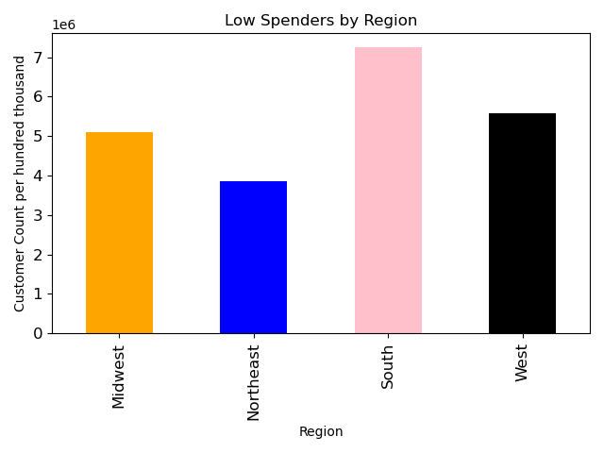
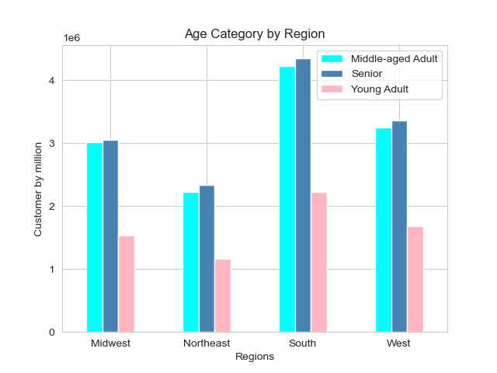 | 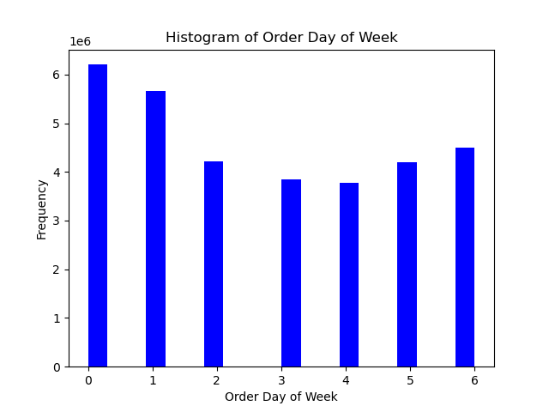 | 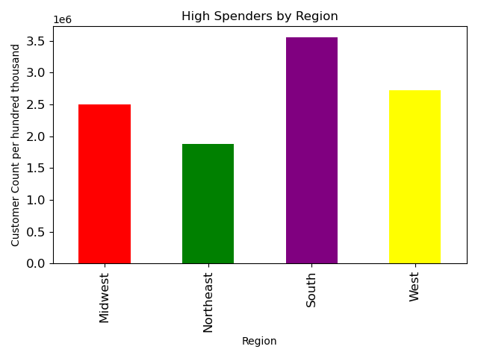

1) This bar chart clearly shows us how the most customers are located in the south and also senior or middle-aged Adult. Whilst Young adult is the smalled customer group and Northeast has the collective least customers. | 2) Above, we can see that Saturday and Sunday at the mot popular day of the week for orders to be placed. | 3) This barchart also corresponds with the findings from Barchart 1). That is that the South region has the most high spenders. |  | 4) This barchart is interesting as it shows how, along with high spenders, the Sough region has the most low spenders.

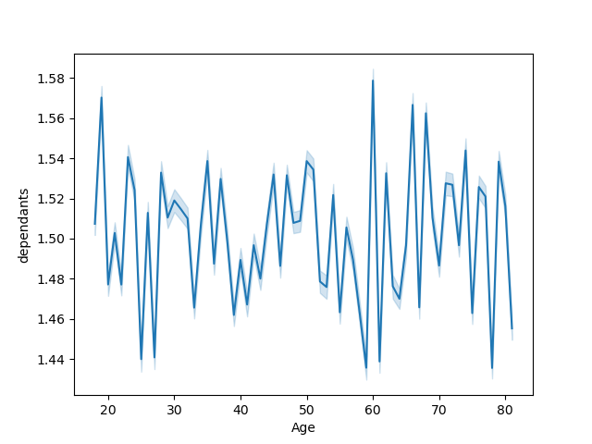
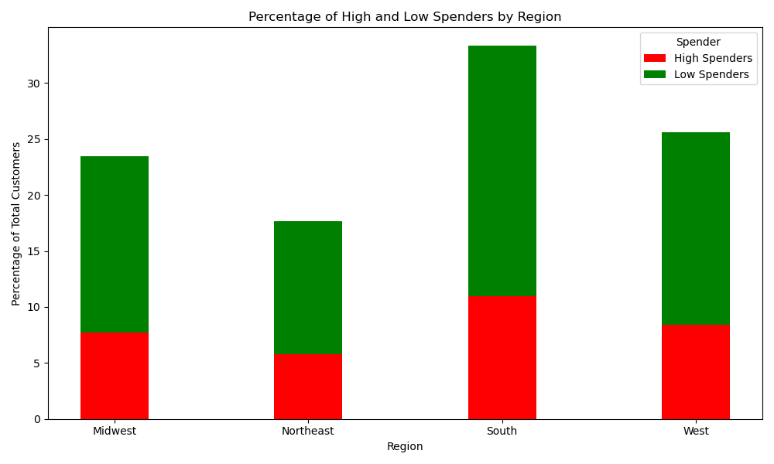 | 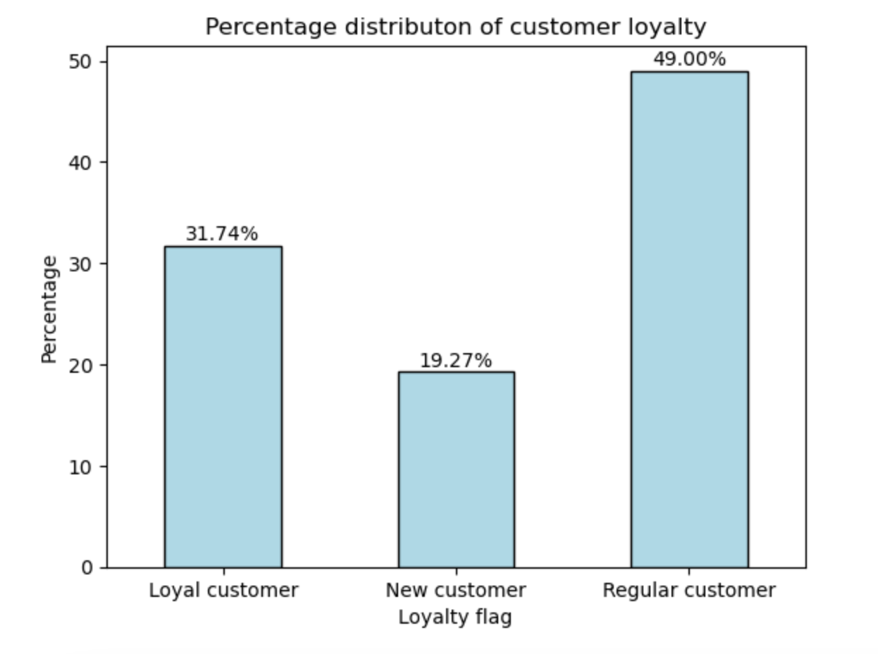 | 

5) This percentage distribution combines charts 3) & 4) to dispay how the South rgion has both the highest percentage of high and low spenders, conversely, the Northeast has the lowest of both. | 6) This barchart looks at the percentage distribution of customers loyalty, Regular customer is the clear winner with almost half. | 7) This scattergram looks at the correlation between income and age. We can clearly see that once the income is over 400,000, the age is also at least 40 years +. |  | 8) This line chart depicts the relationship between the number of dependants and age, unfortunately, there was no clear patten to trend to this.

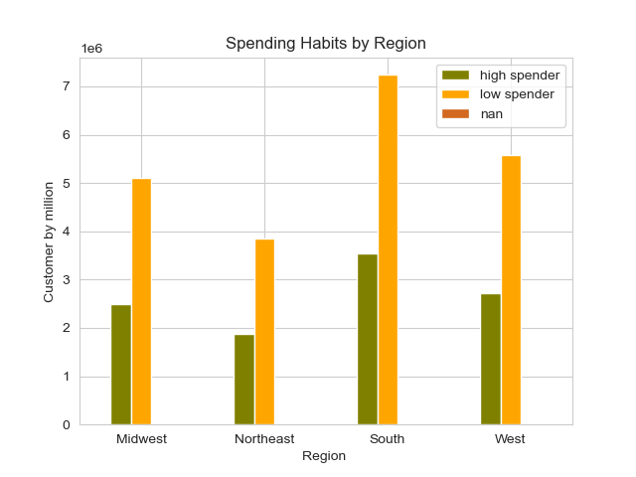
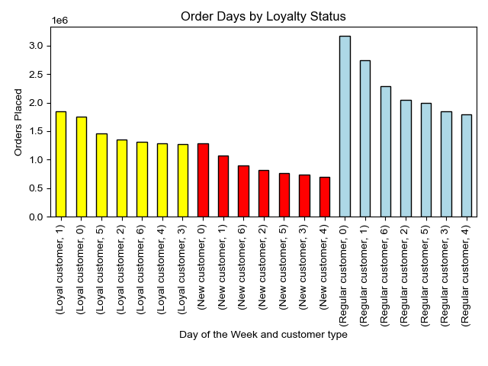 | 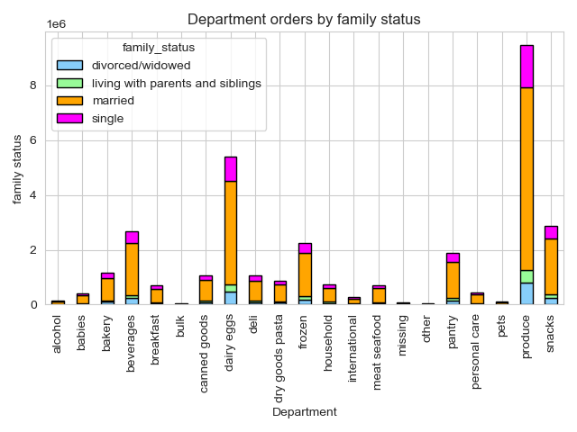 | 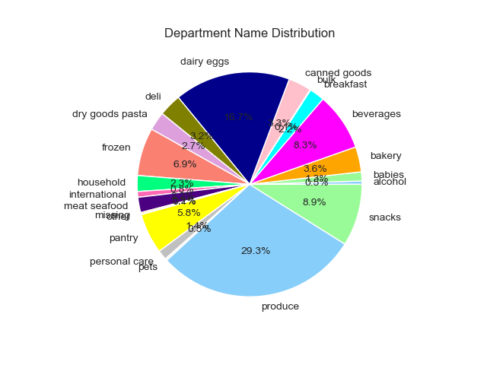

9) The chart above shows us the top ordering days, per custoemr type. As we can see the new customer placed the least amount (but the most on Sunday), while Regular customers consistently place more on Sunday, Monday, Saturday, Tuesday. | 10) This chart depicts the top ordered departments by family status with Produce almost consistenly the highest amonget all: divorced/widowed, living with parents, married and single. Next is dairy/eggs and snacks. | 11) This pie chart displays the department with the most orders. It's clear to see how produce, dairy/eggs, snaks, beverages, frozen and pantry are the top departments ordered. |  | 12) Here, we look at region versus spending habits and again we see how the South has the most high and low spenders with the West having the second highest number of high spenders and low spenders.

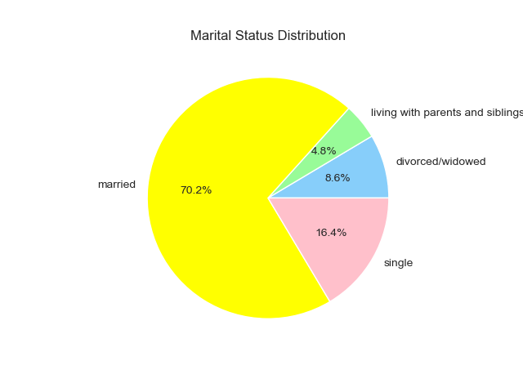
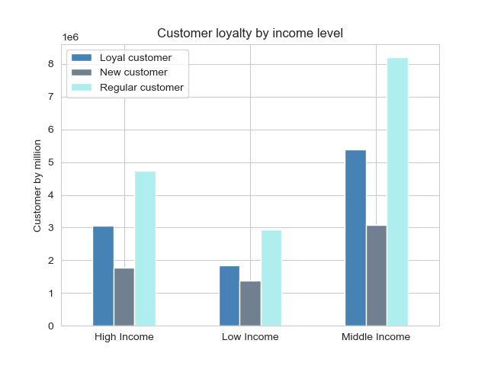 | 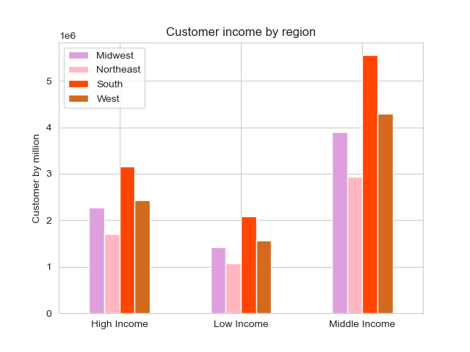 | 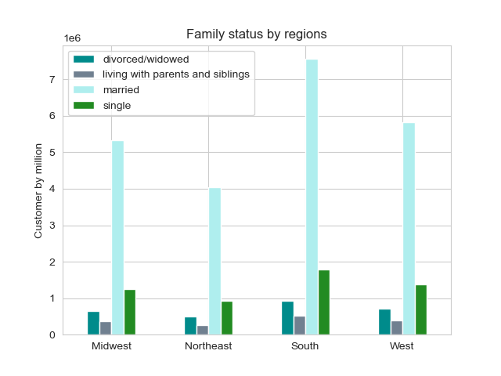

13) This bar chart shows the spread of customer type against income leve. Regular customer is the most popular all income types, and we can see that there are less low income customers in all three customer types. | 14) This chart compares income level with region. Unsurprisingly, the South region has the most of any income level witht he West a close second. We can also see how the majority of customers are middle income. | 15) Here, we can compare the family status with region and clearly see how married is the most popular family status acrosss all regions, with single second place. |  | 16) This chart, along with chart 15) displays that almost 3/4s of all customers are married.

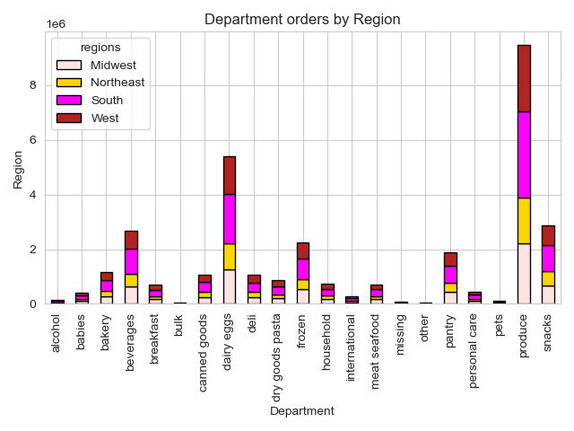
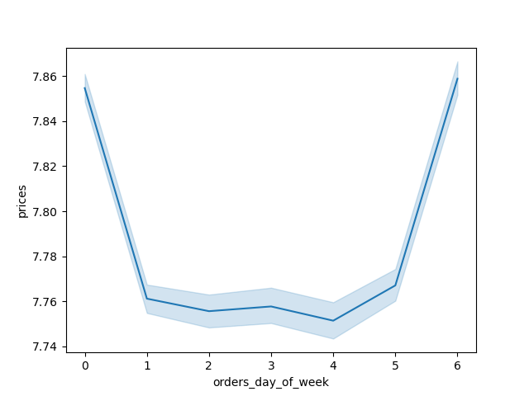 | 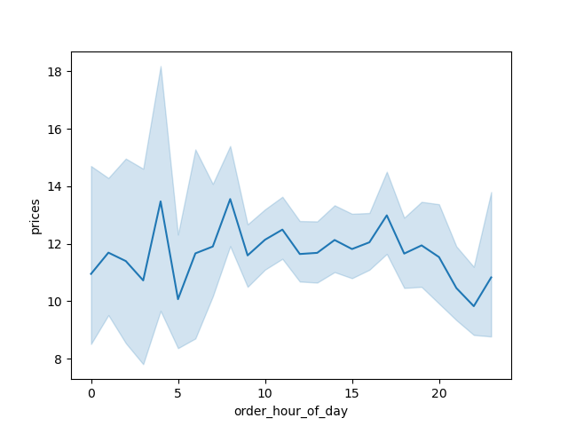 | 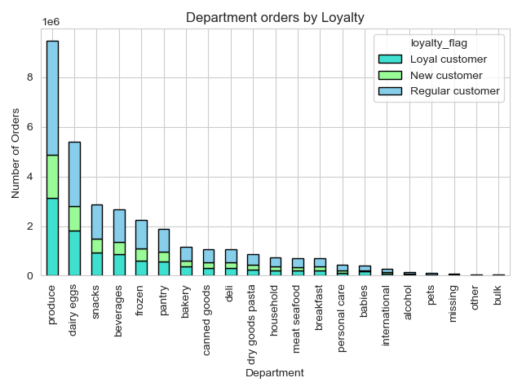

17) This line chart, show how busy is each day of the week according to spending: Sunday, Friday and Saturday are the highest. | 18) This line chart compares prices and orders by hour of the day. We can see the peak spending at around 4am, 8am and 5pm. | 19) The above chart, together with charts 11) and 10) depict how product, dairy/eggs, beverages and frozen are the most ordered departments and we can see a typical spread between regular and loyal customers, with new customers as the smallest group. |  | 20) This department orders by region chart, is also corroborating the findings from charts 3), 4), 12) and 14) - the South region purchases the most compared with any other region, and the same departments are being purchased.

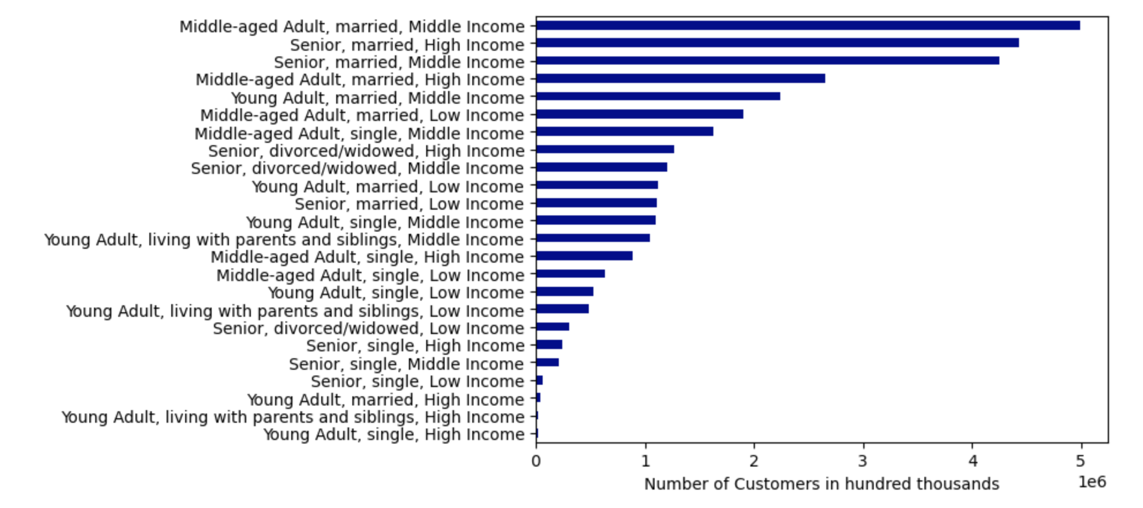
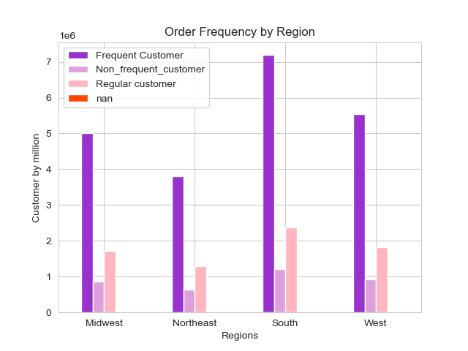 | 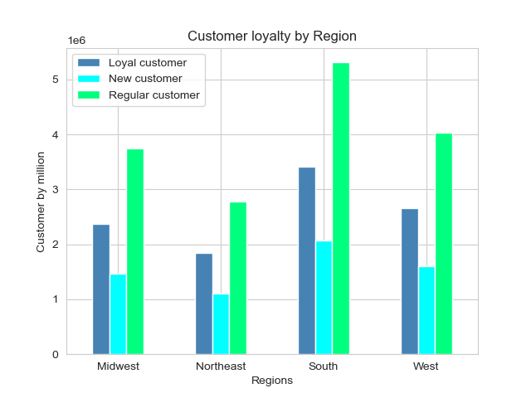

21) This chart is interesting to see that non-frequent customers' numbers do not change much region to region. And of course, the South has the most of any customer frequency. | 22) This last chart to compare region and customer loyalty i not surprising and displays the South region with the most of any customer type and the Northeast with the least. | 23) This last chart is a look at customer profile as a whole (including age, family status and income level. The most common profile is: "Middle-aged Adult, married, Middle income", with the next two: "Senior, married, High income", and "Senior, married, middle income".

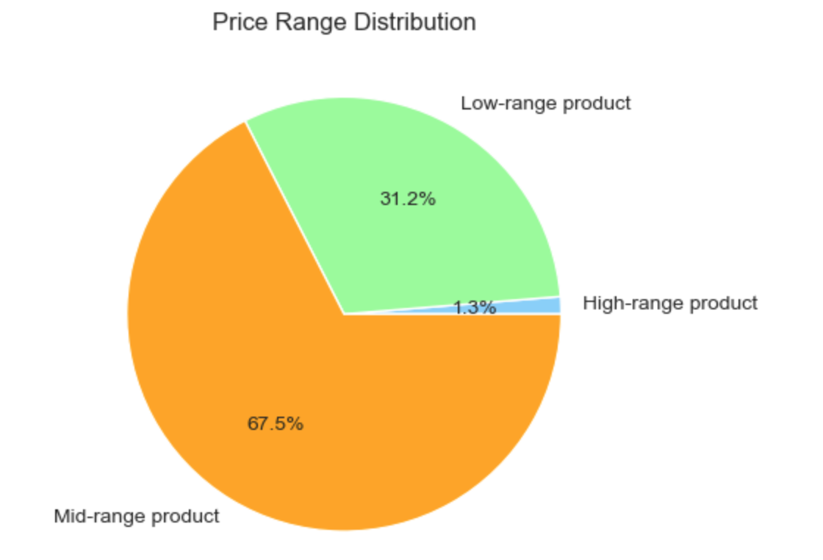 | 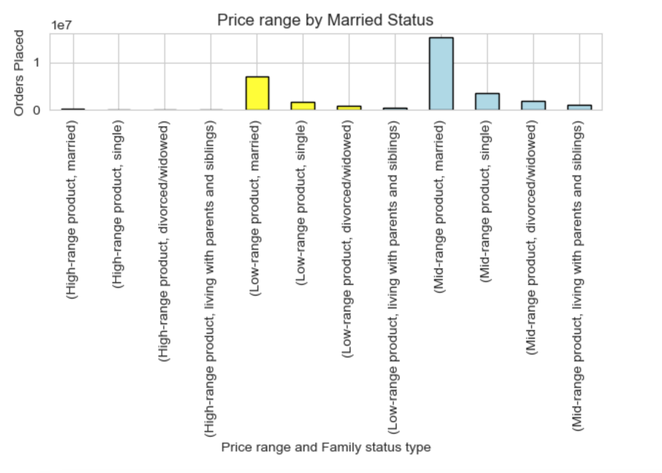

24) This chart compares the distribution of the prie ranges within products at Instacart | 25) Here, we can view what product price ranges different family status ordered the most. In this case the top were, mid-range product by married, single and low-range product by married.

7. Recommendations
 |  | Title page

Recommendations

In this tab you should include any recommendations you would made to Instcart in terms of their marketing strategy based on the questions posed in the brief. Every key question has been covered in the Tasks of the Exercises - here you need to add an item - a visualisation or table/crosstable that is showing the answer in the data, acompanied by a comment from you. Please, list the questions below and add the answer underneath.

Question | Answer
Key Question 1: The sales team needs to know what the busiest days of the week and hours of the day are (i.e., the days and times with the most orders) in order to schedule ads at times when there are fewer orders. | The sales team should focus their efforts on running their advertisements during the weekdays vs weekend, particularly Tuesday to Thursday and during the quieter hours of 5pm to Midnight. Refer to charts 17) and 2) and 18) on Visualizations tab.

Key Question 2: They also want to know whether there are particular times of the day when people spend the most money, as this might inform the type of products they advertise at these times. | Looking again at chart 17), we can see there are three peak times when customers are spending the most: 4am, 8am and 5pm. These would be the recommended peak spending times to advertise during.

Key Question 3: Instacart has a lot of products with different price tags. Marketing and sales want to use simpler price range groupings to help direct their efforts. | To properly give a recommendation on this topic, firstly price ranges were created: under $5 is low range, between $5 and $15 is mid range, and then over $15 is high range. In the pie chart,, chart 24), we can see mid-range products make up more than to thirds of Instacart's product range. On chart 25), we can then see how the two price ranges ordered the most by married people are low and mid range products. Therefore it would benefit the sales team to streamline efforts into those two price ranges, with a focus on mid-range.

Key Question 4: Are there certain types of products that are more popular than others? The marketing and sales teams want to know which departments have the highest frequency of product orders. | If we look at chart 11), we can see how produce, dairy/eggs, snaks, beverages, frozen and pantry are the top departments ordered. While chart 10) shows a more in depth correlation between the top ordered departments by family status with Produce almost consistenly the highest amonget all: divorced/widowed, living with parents, married and single. Next is dairy/eggs and snacks.

Key Question 5: The marketing and sales teams are particularly interested in the different types of customers in their system and how their ordering behaviors differ. For example: Are there differences in ordering habits based on a customer’s loyalty status? Are there differences in ordering habits based on a customer’s region? | When comparing customer loyalty, 49% were classified as 'regular', making purchases every 10 to 20 days, while 31.7% are classified as 'loyal', returning within 10 days. New customers account for 19.3% of the total. If we look at Charts 6) (distribution of customer loyalty), 13) ( customer loyalty and income level) and 21) (customer frequency by region), we can see clear trends: Loyal and regular customers are mainly high and middle income, and frequent and regular customers are mainly based in the South. If we also look at chart 22), we can compare region and customer loyalty, which is not surprising and displays the South region with the most of any customer type and the Northeast with the least.

